Positive Tests
CARA
CARA

Manual Test Script (Out of Office Functionality)
Different Ways to Delegate a user task to other recipients when the user of a task is not available or out of office.

Pre-Conditions
(1) Authorized user should have access to the system and ability to delegate a task to another CARA user.
(2) Existing tasks are not delegated.
(3) Tasks may be delegated in issued state.
(4) List of users should exist whom to specify a task.
(5) Delegating a task is not possible to a user who is marked as out of office in CARA.

Step | Screens | Test Step | Expected Result | Result
Step 1 | 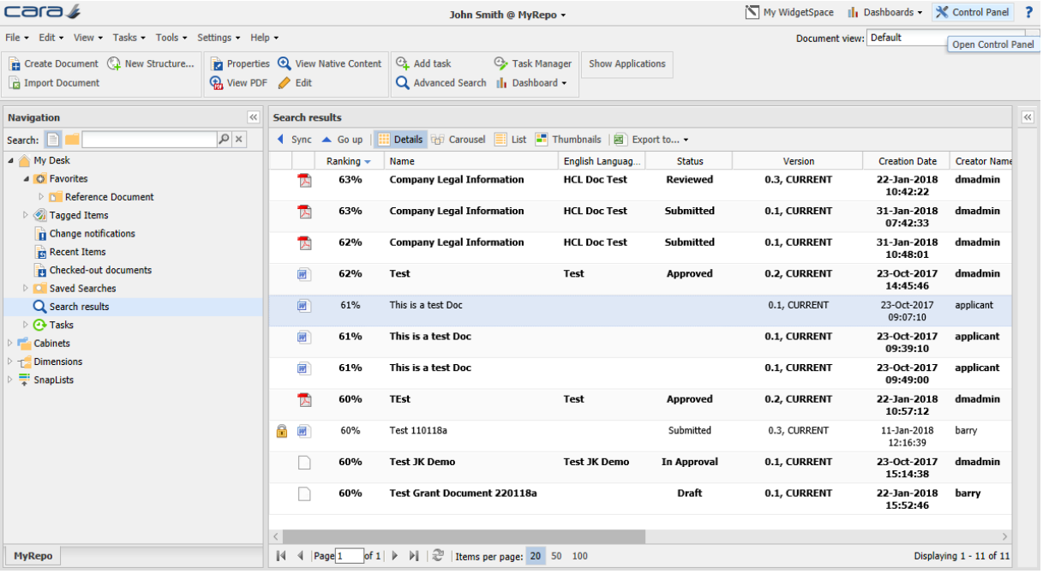 | An authorized user logs into the system. | The login is successful. The main system screen is opened.
Step 2 | 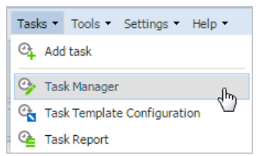 | User selects and clicks on the Task Manager from Tasks menu. | Task Manager window is displayed.
Step 3 |  | In the Task Manager Window user selects a task with Planned or Issued status and clicks on Delegate button. | Task Manager window with all the information such as Task, Type, Status, Target start, Target finish, Issued is displayed.
Step 4 | 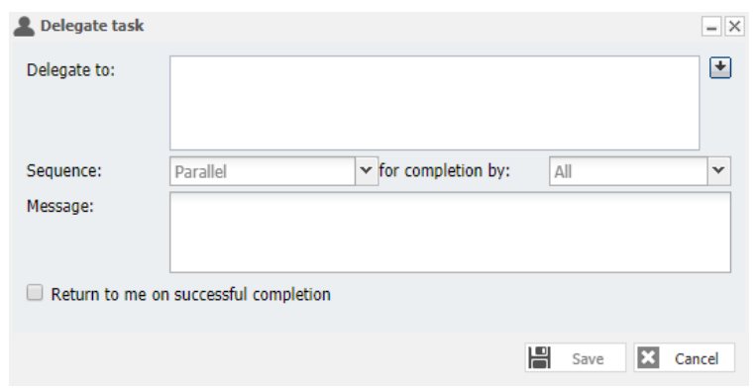 | User clicks on down-arrow next to Delegate to field. | Specify task recipients window is displayed.
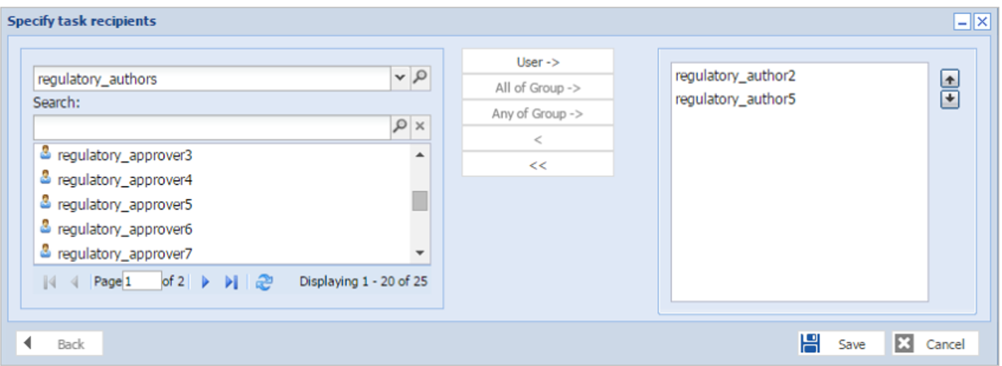 Step 5 |  | Specify task recipients window is displayed with required fields. | Specify task recipients window should have Search field, User->, All of Group->, Any of Group, shift buttons (<,<<)and panel on right hand with up and down arrows next to it.
Step 6 | 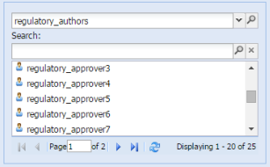 | User enters part of recipient’s username in the search field and press enter. The list of users to choose from can be narrowed by selecting a group in the top field. | Search results are displayed with matched recipients username.
Step 7 | 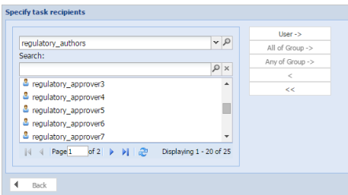 | User double clicks a recipient username or clicks User-> to add them as a task recipient in the right hand panel. | Recipients selected from searched results are added to the panel on the right hand.
Step 8 | 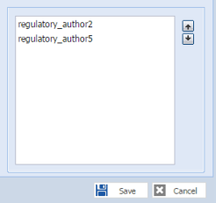 | Task recipients are added to the right hand panel. | Recipients names added from the search results are displayed on the panel on the right hand.
Step 9 | 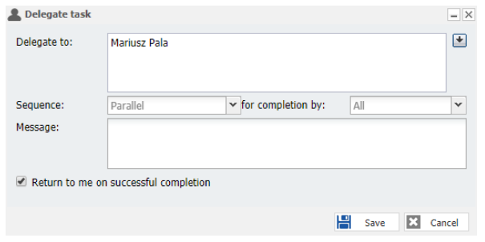 | After clicking save on Specify task recipients a Delegate task properties window should open with selected users added to the Delegate to field. | Delegate task window displays Delegate to field, Sequence drop-down, for completion by drop-down, Message field and Return to me on successful completion checkbox.
Step 10 |  | User clicks multiple recipients (individual or groups) the sequence drop-down list may be used to make the task Parallel (Sent to all recipients simultaneously) or Sequence (Sent to one recipient or group after the other in the order listed on the task). Some tasks have preconfigured Sequence options and so no choice is required. | Options from the sequence drop-down list are displayed for Parallel and Sequence.
Step 11 |  | User clicks for an additional decision that may be required for Parallel Sequence tasks, Should the tasks be completed by All recipients or Any one recipient? Make the appropriate selection, if available from the for completion by drop-down list. | Options from for completion by drop-down menu are displayed.
Step 12 |  | User set sequence to Parallel completion by All, additionally specify whether the workflow ends with the first rejection (if not then the workflow ends after the last recipient completes). | Options are set for sequence and for completion by from the drop-down.
Step 13 |  | User add a message for the task recipients if appropriate, which will be added to the notification email. | Message is sent in the notification email.
Step 14 |  | User check the Return to me on successful completion checkbox. | The completed task returned before the workflow resumes and clicks save.
Step 15 | 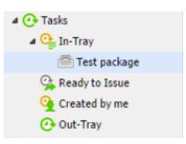 | The task is moved to the In-tray of the new recipient. | Task is visible in In-Tray of the new recipient.
Step 16 |  | User clicks on Out of Office from the settings menu. | Out of office settings option is displayed from the settings menu.
Step 17 | 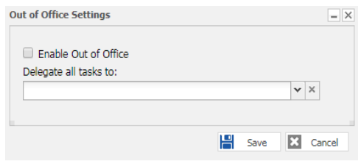 | Out of Office Settings window opens | Enable out of Office checkbox and Delegate all tasks to drop-down field are displayed.
Step 18 |  | User check the checkbox to Enable Out of Office. | User is marked as Out of Office. | 
Step 19 |  | User types part of a recipient’s username in the Delegate all tasks to field and select the user who tasks should be delegated to from the drop-down list. | usernames are displayed from search.
Step 20 |  | User clicks on save button on out of office window. | Out of Office settings are saved.
Step 21 | 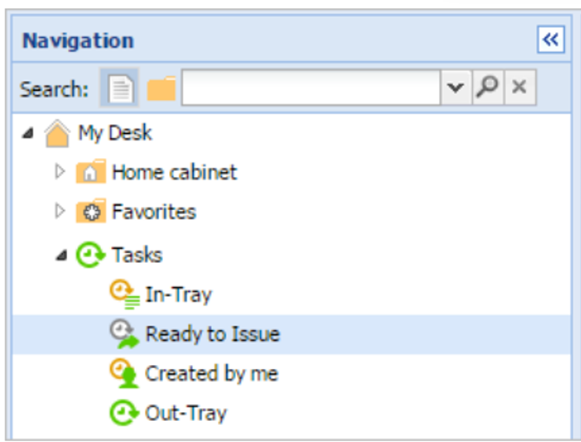 | User clicks and expand Tasks node under navigation panel and clicks Ready to Issue. | Tasks node is expanded and subnodes are displayed.
Step 22 | 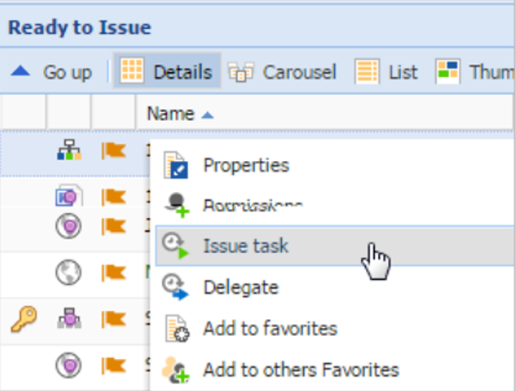 | In Ready to Issue panel user highlights a document and right click on the document to open the menu. | Right click menu is displayed
Step 23 |  | User clicks on Delegate option from the right click menu. | Delegate Option is visible in the right click menu.
Step 24 |  | User clicks on down-arrow next to Delegate to field. | Specify task recipients window is displayed.
Step 25 |  | Specify task recipients window is displayed with required fields. | Specify task recipients window should have Search field, User->, All of Group->, Any of Group, shift buttons (<,<<)and panel on right hand with up and down arrows next to it.
Step 26 |  | User enters part of recipient’s username in the search field and press enter. The list of users to choose from can be narrowed by selecting a group in the top field. | Search results are displayed with matched recipients username.
Step 27 |  | User double clicks a recipient username or clicks User-> to add them as a task recipient in the right hand panel. | Recipients selected from searched results are added to the panel on the right hand.
Step 28 |  | Task recipients are added to the right hand panel. | Recipients names added from the search results are displayed on the panel on the right hand.
Step 29 |  | After clicking save on Specify task recipients a Delegate task properties window should open with selected users added to the Delegate to field. | Delegate task window displays Delegate to field, Sequence drop-down, for completion by drop-down, Message field and Return to me on successful completion checkbox.
Step 30 |  | User clicks multiple recipients (individual or groups) the sequence drop-down list may be used to make the task Parallel (Sent to all recipients simultaneously) or Sequence (Sent to one recipient or group after the other in the order listed on the task). Some tasks have preconfigured Sequence options and so no choice is required. | Options from the sequence drop-down list are displayed for Parallel and Sequence.
Step 31 |  | User clicks for an additional decision that may be required for Parallel Sequence tasks, Should the tasks be completed by All recipients or Any one recipient? Make the appropriate selection, if available from the for completion by drop-down list. | Options from for completion by drop-down menu are displayed.
Step 32 |  | User set sequence to Parallel completion by All, additionally specify whether the workflow ends with the first rejection (if not then the workflow ends after the last recipient completes). | Options are set for sequence and for completion by from the drop-down.
Step 33 |  | User add a message for the task recipients if appropriate, which will be added to the notification email. | Message is sent in the notification email.
Step 34 |  | User check the Return to me on successful completion checkbox. | The completed task returned before the workflow resumes and clicks save.
Step 35 |  | The task is moved to the In-tray of the new recipient. | Task is visible in In-Tray of the new recipient.
Step 36 |  | User clicks on Out of Office from the settings menu. | Out of office settings option is displayed from the settings menu.
Step 37 |  | Out of Office Settings window opens | Enable out of Office checkbox and Delegate all tasks to drop-down field are displayed.
Step 38 |  | User check the checkbox to Enable Out of Office. | User is marked as Out of Office.
Step 39 |  | User types part of a recipient’s username in the Delegate all tasks to field and select the user who tasks should be delegated to from the drop-down list. | usernames are displayed from search.
Step 40 |  | User clicks on save button on out of office window. | Out of Office settings are saved.
Step 41 |  | User logs off from the system | The log off is succesful

Negative Tests
CARA

Manual Test Script (Out of Office Functionality)
Different Ways to Delegate a user task to other recipients when the user of a task is not available or out of office.

Pre-Conditions
(1) Authorized user should have access to the system and ability to delegate a task to another CARA user.
(2) Existing tasks are not delegated.
(3) Tasks may be delegated in issued state.
(4) List of users should exist whom to specify a task.
(5) Delegating a task is not possible to a user who is marked as out of office in CARA.

Step | Screens | Test Step | Expected Result | Result
Step 1 |  | An authorized user logs into the system. | The login is successful. The main system screen is opened.
Step 2 |  | User selects and clicks on the Task Manager from Tasks menu. | Task Manager window is displayed.
Step 3 |  | In the Task Manager Window user selects a task with Planned or Issued status and clicks on Delegate button. | Task Manager window with all the information such as Task, Type, Status, Target start, Target finish, Issued is displayed. | 
Step 4 |  | User leaves Delegate to field and Message field blank and check the Return to me on successful completion checkbox and save on click. | Delegate task window should save the information.
Step 5 |  | User leaves Delegate to field and Message field blank and uncheck the Return to me on successful completion checkbox and save on click try to select Sequence and for completion from the drop-down. | Sequence and for completion drop-down are enable
Step 6 |  | User clicks on down-arrow next to Delegate to field. | Specify task recipients window is displayed.
Step 7 |  | Specify task recipients window is displayed with required fields. And user enters special characters(@, *,++) in the search field. | Search field in Specify task recipients window should display results
Step 8 |  | User leaves search field blank and clicks on User->. | Recipient for a task is added to the panel in the right hand.
Step 9 |  | User search a recipient from search field and do a single click on the recipient name. | Recipient for a task is added to the panel in the right hand.
Step 10 |  | User clicks on cancel button on Specify task recipients. | Specify task recipients window disappears.
Step 11 |  | User logs off from the system | The log off is succesful

Regression Tests
CARA

Manual Test Script (Out of Office Functionality)
Different Ways to Delegate a user task to other recipients when the user of a task is not available or out of office.

Pre-Conditions
(1) Authorized user should have access to the system and ability to delegate a task to another CARA user.
(2) Existing tasks are not delegated.
(3) Tasks may be delegated in issued state.
(4) List of users should exist whom to specify a task.
(5) Delegating a task is not possible to a user who is marked as out of office in CARA.

Step | Screens | Test Step | Expected Result | Result
Step 1 |  | An authorized user logs into the system. | The login is successful. The main system screen is opened.
Step 2 |  | Username with repository name displayed in the title bar of the CARA window. | Username with repository name is displayed in the center of the title bar of the CARA window.
Step 3 |  | Menu bar is displayed correctly in the right order | Menu bar is displayed correctly for File,Edit,View,Tasks, Tools, Settings and Help successfully.
Step 4 |  | My WidgetSpace, Dashboards, Control Panel and help menus are displayed well. | My WidgetSpace, Dashboards, Control Panel and Help menus are displayed successfully.
Step 5 |  | Ribbon / Standard tool bar is displayed properly | Ribbon / Standard tool is displayed with all options and controls displayed successfully..
Step 6 | 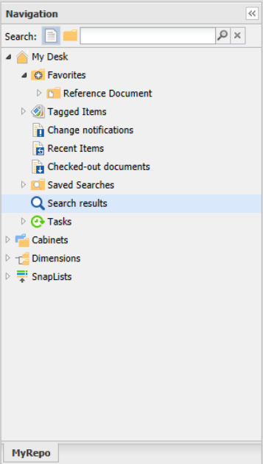 | Navigation Panel is displayed correctly with nodes and subnodes. | Navigation Panel and All nodes and subnodes are displayed successfully.
Step 7 | 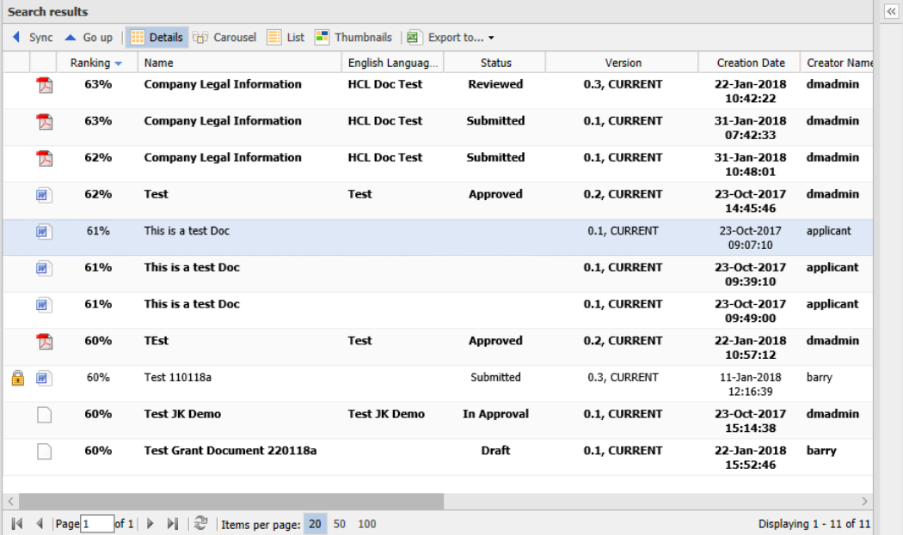 | Main view Panel is displayed properly with correct options. | Main view Panel is displayed with Details, Carousel, List,Thumbnails, Export to tabs successfully.
Step 8 |  | User logs off from the system. | The log off is succesful.

